Answersheet
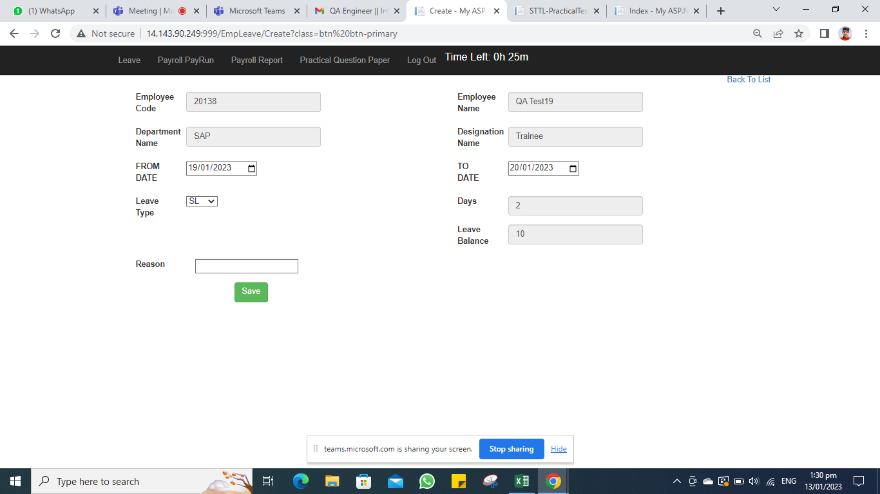
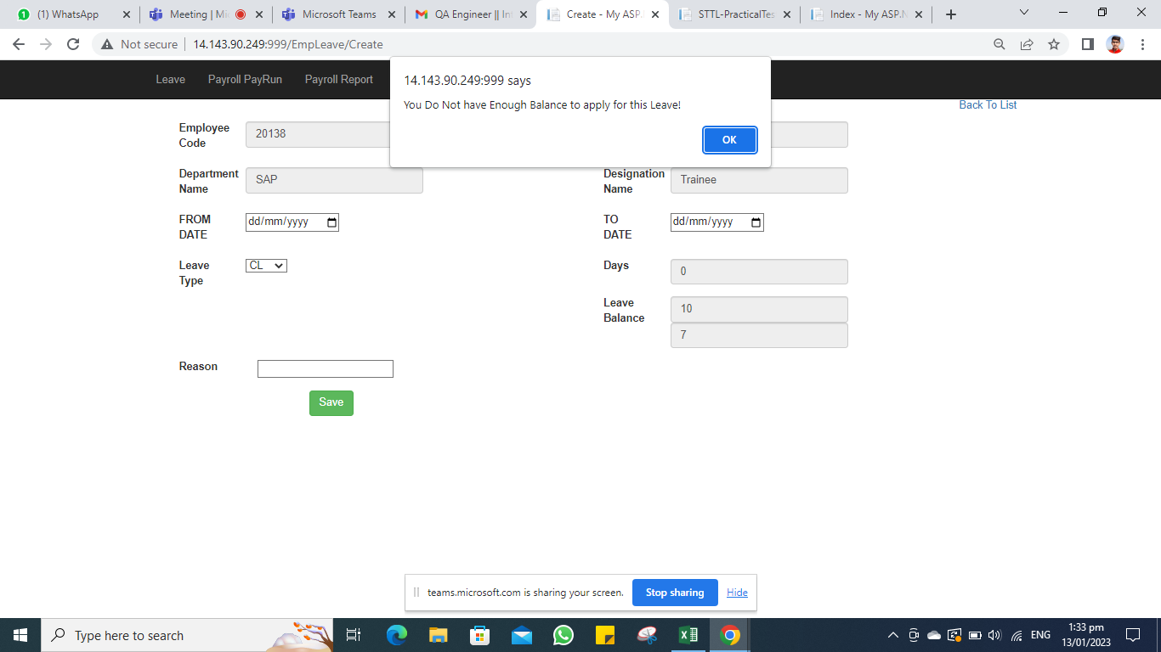
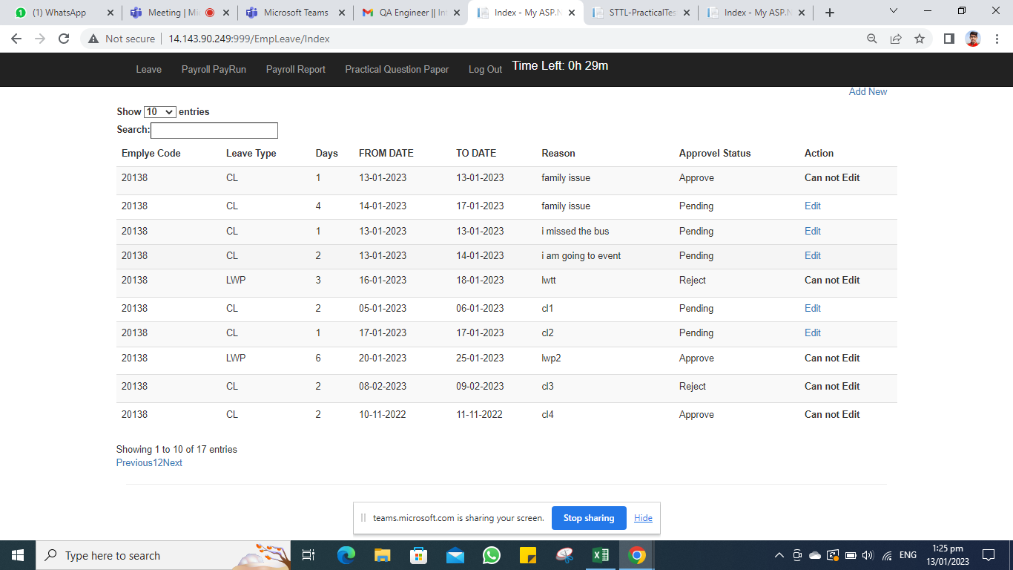
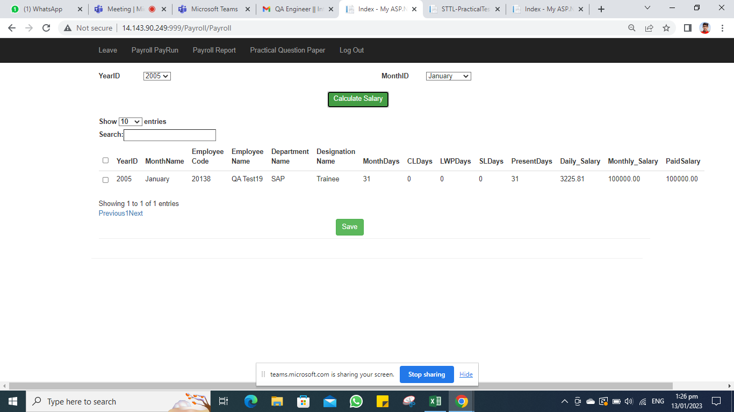
Candidate name | kamiyabali
Mobile Number | +91 6352976940
Email id | kamiyabali76@gmail.com

Sr | Module | Bug Decription | Screenshot (If Any)
1 | Leave Management | Employee is able to apply back dated leave (old date)
2 | Leave Management | Leave balance not deducted correctly after approval. It is counting both approved and rejected while deducting from overall balance
3 | Leave Management | Data Entered for leave application is cleared from form after Clicking On OK button of warning pop-up
4 | Leave Management | Approval spelling wrong. It is mentioned as 'Approvel' instead of 'Approval' in Employee module
5 | Leave Management | Approval spelling wrong. It is mentioned as 'Approvel' instead of 'Approval' in admin module
6 | Leave Management | Without entering reason employee is able to submit leave application
7 | Leave Management | Employe spelling mistak. It is mentioned as ; Emplye Code' instead of 'Employe Code'
8 | Leave Management | approval date there is no space between 'approval and date in Admin module while while Edit screen is opened
9 | Leave Management | ApprovalRemark not space between " Approval and Remarks in Admin module while while Edit screen is opened
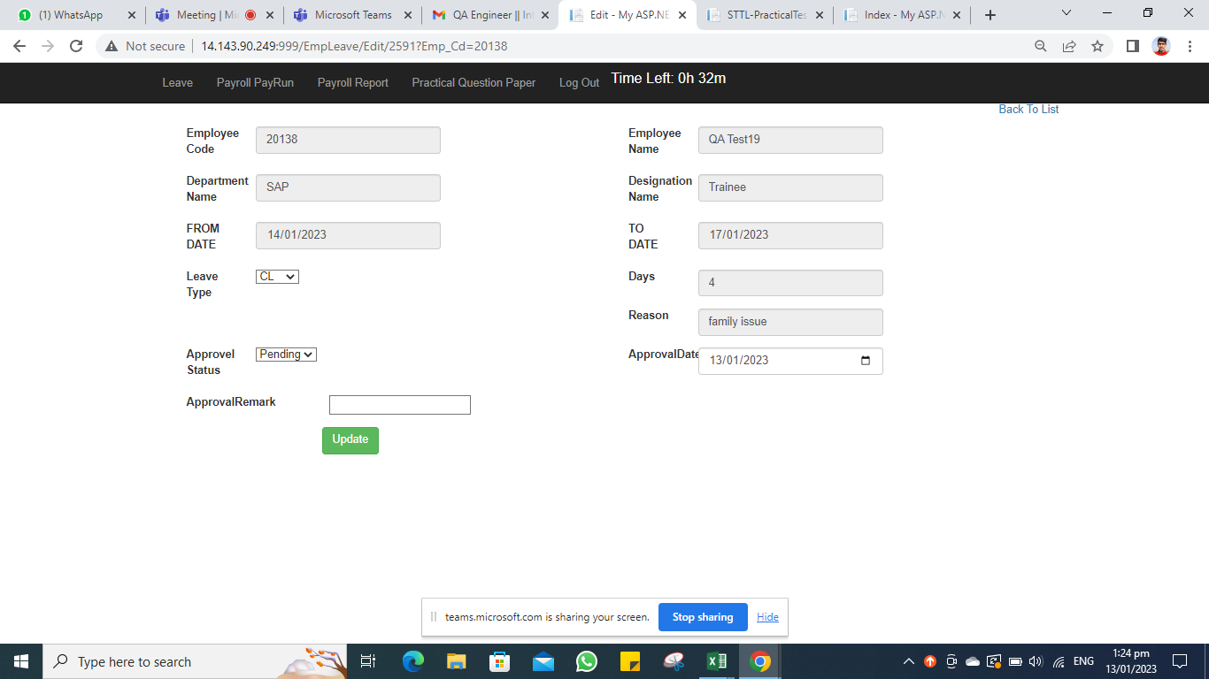
10 | Leave Management | Validation message is not user friend when TO DATE is Less than FROM DATE
11 | Leave Management | Weekend / Weekoff days are also counted in leave count. Ex. Friday to Monday leave should be counted as 2 but it is counting 4 instead
12 | Leave Management | Employee is able to apply leave for weekend/weekoff days like sat/sun.
13 | Leave Management | Admin Modue - While doing Edit, ApprovalDate and Text box is overlapping

14 | Payroll Management | Payroll Payrun - Approval CL days count not deducted from monthly Days. Present Days showing without any deduction ex. CL 2 days in Nov 2022, and Monthly Days 30 so Present Dasy should be 28 instead of 30
15 | Payroll Management | Payroll Report is not displying anything after selecting year and month for backdated year 2022
16 | Payroll Management | Payroll Report is not showing LWP count. ex. Employee took 6 days LWP in Jan 2023 and it was approved but in Payroll module for salary calculation it is not deducted
17 | Payroll Management | Payroll Report showing wrong daily salary. Instead of 3333.33 it is showing 3226.00
18 | Payroll Management | Payroll Payrun - In for future months Calculate Salary functionality showing number under PaidSalary. It should be only for old months
19 | Payroll Management | Payroll PayRun - nothing happens upon clicking on Save Button. Select Checkbox for January 2023 and Click on Save Pop up will come saying Salary Calculated Successfully , Click Ok Previously selected items will remains as it is
20 | Payroll Management | Payroll Payrun - There is no leave application for 2005 into system still Payroll Payrun Module calculate salary for such years

